Oporto
Network | Network address | Broadcast address | Mask | First valid node address | Last valid node address
VLAN 40 - USERS - 500 nodes | 10.27.68.0/23 | 10.27.69.255 | 255.255.254.0 | 10.27.68.1 | 10.27.69.254
VLAN 20 - ACCOUNTING - 200 nodes | 10.27.70.0/24 | 10.27.70.255 | 255.255.255.0 | 10.27.70.1 | 10.27.70.254
VLAN 30 - HR - 100 nodes | 10.27.71.0/25 | 10.27.71.127 | 255.255.255.128 | 10.27.71.1 | 10.27.71.126
VLAN 10 - STAFF - 50 nodes | 10.27.71.128/26 | 10.27.71.191 | 255.255.255.192 | 10.27.71.129 | 10.27.71.190
HQ Router - HQ-MLS1 | 10.27.71.192/30 | 10.27.71.195 | 255.255.255.252 | 10.27.71.193 | 10.27.71.194
HQ Router - HQ-MLS2 | 10.27.71.196/30 | 10.27.71.199 | 255.255.255.252 | 10.27.71.197 | 10.27.71.198
DMZ | 192.168.5.0 | 192.168.5.31 | 255.255.255.224 | 192.168.5.1 | 192.168.5.30
Syslog | 10.27.71.208/28 | 10.27.71.223 | 255.255.255.240 | 10.27.71.209 | 10.27.71.222
IoT | 10.27.71.224/28 | 10.27.71.239 | 255.255.255.240 | 10.27.71.225 | 10.27.71.238

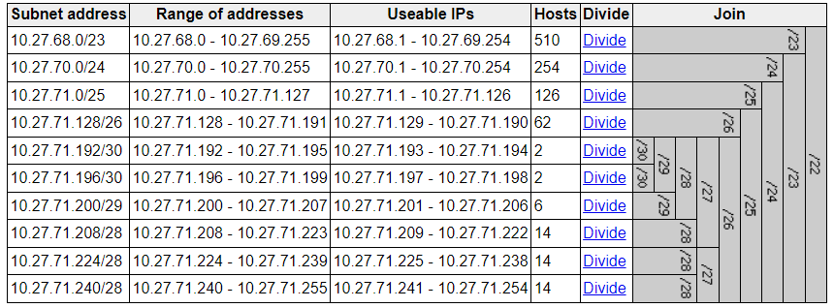
Interface Identification
HQ(PORTO) - Router | Gig0/0/0 | Gig0/0 | Gig0/1
 | 209.165.200.129 | 10.27.71.193 | 10.27.71.197
HQ-MLS1 - Multilayer Switch | VLAN 10 | VLAN 20 | VLAN 30 | VLAN 40
 | 10.27.71.129 | 10.27.70.1 | 10.27.71.1 | 10.27.68.1
HQ-MLS2 - Multilayer Switch | VLAN 10 | VLAN 20 | VLAN 30 | VLAN 40
 | 10.27.71.130 | 10.27.70.2 | 10.27.71.2 | 10.27.68.2

 |  |  |  | porto
 |  |  |  | warsaw
 |  |  |  | munich

